Sheet1
City of Spokane RPWRF Lab
Annual Stormwater PCB Load Estimate using updated PCB data, and Cochran Basin Rainfall-Runoff Relationship
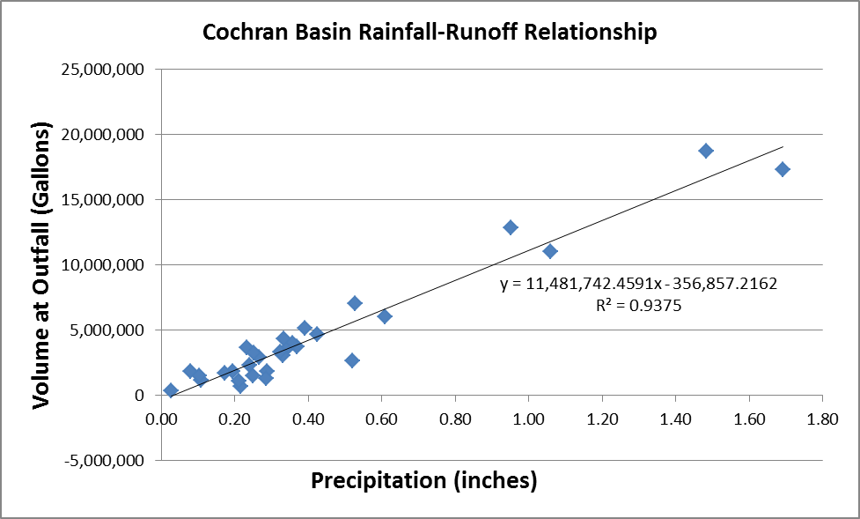

Assumptions:
Use same annual rainfall as Parsons - Spokane River PCB TMDL Stormwater Loading Analysis Final Technical Report (18 inches)
Q(cochran)= 11,481,742.5*P-356,857
Q(other basin)= Q(cochran)*I(other basin)/I(cochran)
Q= flow, gal/yr
I = impervious cover, acre
P = annual rainfall, in/yr: |  |  | 18
Stormwater PCB concentration (except Union and Washington) = Cochran Average, City of Spokane Sampling Results
Washington basin PCB Concentration = Washington Basin Average, City of Spokane Sampling Results
Union basin PCB Concentration = Union Basin Average, City of Spokane Sampling Results
CSO Flow: use Parsons low flow scenario (2005 actual CSO Flows)
CSO 6 Concentration = AVG of CSO 6 City of Spokane Sampling Results
CSO 34 Concentration = AVG of CSO 34 City of Spokane Sampling Results
All other CSO PCB Concentration = AVG of CSO 34 and CSO 6 City of Spokane Sampling Results

 | LOW CSO LOAD Scenario
 | Parsons - 2007 Annual Runoff Volume (Mgal/yr) | Parsons - 2007 Annual PCB Conc (pg/L) | Parsons - 2007 Estimate of PCB Load (mg/day) | Drainage Area (acre) | Impervious Fraction | Impervious Cover (acre) | Flow (gal/yr) | Flow (Mgal/yr) | PCB Concentration (pg/L) | PCB Load Estimate (mg/day)
Stormwater
Cochran | 673.7 | 12900 | 90.0 | 5,164 | 0.274 | 1,414.9 | 2.063E+08 | 206.31 | 7268 | 15.55
Union | 16.3 | 97000 | 16.0 | 109 | 0.323 | 35.2 | 5.134E+06 | 5.13 | 34623 | 1.84
Superior | 50.2 | 17800 | 9.0 | 294 | 0.376 | 110.5 | 1.612E+07 | 16.12 | 7268 | 1.21
Riverton | 25.1 | 22300 | 6.0 | 233 | 0.217 | 50.6 | 7.372E+06 | 7.37 | 7268 | 0.56
Washington | 87 | 4050 | 3.7 | 465 | 0.417 | 193.9 | 2.827E+07 | 28.27 | 7887 | 2.31
Hwy 291 | 189.6 | 978 | 2.0 | 1,578 | 0.248 | 391.3 | 5.706E+07 | 57.06 | 7268 | 4.30
Mission St | 7.2 | 16500 | 1.2 | 55 | 0.277 | 15.2 | 2.221E+06 | 2.22 | 7268 | 0.17
Greene | 5.7 | 19500 | 1.0 | 34 | 0.365 | 12.4 | 1.810E+06 | 1.81 | 7268 | 0.14
Howard Bridge | 10.4 | 8740 | 0.9 | 57 | 0.407 | 23.2 | 3.383E+06 | 3.38 | 7268 | 0.25
Lincoln | 16.4 | 4360 | 0.7 | 69 | 0.544 | 37.5 | 5.473E+06 | 5.47 | 7268 | 0.41
IO5 upper | 75.1 | 22500 | 17.0 | 747 | 0.198 | 147.9 | 2.157E+07 | 21.57 | 7268 | 1.63
IO4 | 36.1 | 22500 | 8.0 | 174 | 0.468 | 81.4 | 1.187E+07 | 11.87 | 7268 | 0.89
IO7 | 21.1 | 22500 | 5.0 | 181 | 0.239 | 43.3 | 6.308E+06 | 6.31 | 7268 | 0.48
IO3 | 3.1 | 22500 | 1.0 | 140 | 0.114 | 16.0 | 2.333E+06 | 2.33 | 7268 | 0.18
CSOs
CSO 34 | 15.3 | 177000 | 28 |  |  |  |  |  | 13411 | 2.13
CSO 26 | 17.7 | 3380 | 1.0 |  |  |  |  |  | 12424 | 2.28
CSO 24A | 5.2 | 1720 | 0.09 |  |  |  |  |  | 12424 | 0.67
CSO 07 | 0.4 | 2490 | 0.01 |  |  |  |  |  | 12424 | 0.05
CSO 33B | 6.7 | 22500 | 1.6 |  |  |  |  |  | 12424 | 0.86
CSO 06 | 5.5 | 22500 | 1.3 |  |  |  |  |  | 11437 | 0.65
CSO 12 | 3.4 | 22500 | 0.8 |  |  |  |  |  | 12424 | 0.44
CSO 23 | 1.8 | 22500 | 0.4 |  |  |  |  |  | 12424 | 0.23
CSO 41 | 0.5 | 22500 | 0.1 |  |  |  |  |  | 12424 | 0.06
CSO 16B | 0.4 | 22500 | 0.1 |  |  |  |  |  | 12424 | 0.05
CSO 25 | 0.4 | 22500 | 0.1 |  |  |  |  |  | 12424 | 0.05
CSO 33D | 0.3 | 22500 | 0.1 |  |  |  |  |  | 12424 | 0.04
CSO 14 | 0.2 | 22500 | 0 |  |  |  |  |  | 12424 | 0.03
CSO 10 | 0.2 | 22500 | 0 |  |  |  |  |  | 12424 | 0.03
CSO 15 | 0.2 | 22500 | 0 |  |  |  |  |  | 12424 | 0.03
CSO 42 | 0.1 | 22500 | 0 |  |  |  |  |  | 12424 | 0.01
CSO 40 | 0.1 | 22500 | 0 |  |  |  |  |  | 12424 | 0.01
CSO 39 | 0.1 | 22500 | 0 |  |  |  |  |  | 12424 | 0.01
CSO 33A | 0 | 22500 | 0 |  |  |  |  |  | 12424 | 0.00
CSO 38 | 0 | 22500 | 0 |  |  |  |  |  | 12424 | 0.00
CSO 24B | 0 | 22500 | 0 |  |  |  |  |  | 12424 | 0.00
CSO 33C | 0 | 22500 | 0 |  |  |  |  |  | 12424 | 0.00
CSO 20 | 0 | 22500 | 0 |  |  |  |  |  | 12424 | 0.00
CSO 02 | 0 | 22500 | 0 |  |  |  |  |  | 12424 | 0.00
CSO 19 | 0 | 22500 | 0 |  |  |  |  |  | 12424 | 0.00
CSO 16A | 0 | 22500 | 0 |  |  |  |  |  | 12424 | 0.00
CSO 03C | 0 | 22500 | 0 |  |  |  |  |  | 12424 | 0.00
CSO 18 | 0 | 22500 | 0 |  |  |  |  |  | 12424 | 0.00
CSO34TOSVI | 0 | 22500 | 0 |  |  |  |  |  | 12424 | 0.00
STORMWATER TOTAL |  |  | 161.5 |  |  |  |  |  |  | 29.9
CSO TOTAL |  |  | 33.6 |  |  |  |  |  |  | 7.6
CSO & STORMWATER TOTAL |  |  | 195.1 |  |  |  |  |  |  | 37.6

